DW
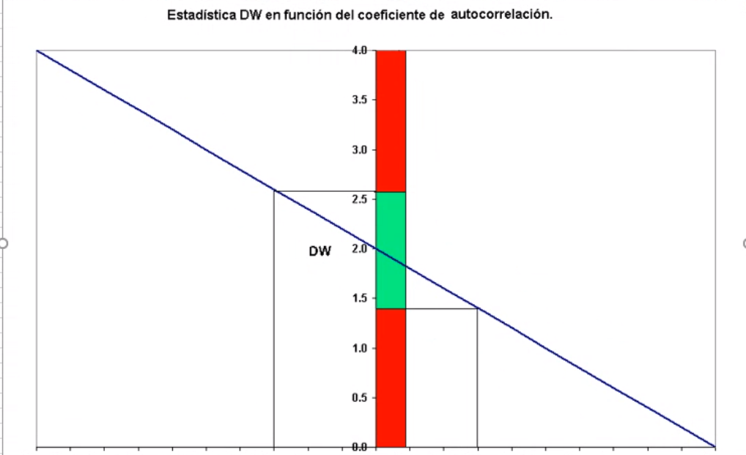
Empresa | Y | X1 | X2 | Predicted Yt | Pricted Yt Exp | ei | (ei - ei-1)^2 | ei^2
1 | 240 | 1480 | 410 | 5.5309214404 | 252.37635368 | -12.376353681 |  | 153.17413043
2 | 400 | 1660 | 450 | 5.9785761286 | 394.87771261 | 5.122287394 | 306.20243946 | 26.237828147
3 | 110 | 1150 | 380 | 4.9386903456 | 139.58731865 | -29.587318649 | 1204.7567517 | 875.40942484
4 | 530 | 1790 | 430 | 5.9479636351 | 382.97267236 | 147.02732764 | 31192.733283 | 21617.035073
5 | 590 | 1880 | 480 | 6.3531220441 | 574.28284952 | 15.717150482 | 17242.362625 | 247.02881928
6 | 470 | 1860 | 450 | 6.1412800597 | 464.64796746 | 5.352032537 | 107.43567002 | 28.644252277
7 | 450 | 1940 | 490 | 6.4608489257 | 639.60380229 | -189.60380229 | 38007.777533 | 35949.601843
8 | 160 | 1240 | 395 | 5.1643598875 | 174.92545076 | -14.925450757 | 30512.526494 | 222.76908029
9 | 290 | 1240 | 430 | 5.422911875 | 226.53781282 | 63.462187179 | 6144.6217812 | 4027.4492016
10 | 490 | 1850 | 460 | 6.2005041458 | 492.9975211 | -2.997521101 | 4416.8928247 | 8.9851327507
11 | 350 | 1570 | 435 | 5.7956075431 | 328.85191501 | 21.148084989 | 583.01029344 | 447.24149869
12 | 550 | 1700 | 470 | 6.1450605297 | 466.40787976 | 83.592120243 | 3899.2575388 | 6987.6425667
13 | 560 | 2000 | 480 | 6.4416194955 | 627.42208468 | -67.422084682 | 22805.290089 | 4545.7375029
14 | 430 | 1850 | 440 | 6.0651311558 | 430.5791469 | -0.57914690228 | 4467.9783311 | 0.33541113442

 |  |  |  |  |  |  | 160890.84565 | 74984.117634

 |  |  |  |  |  | DW | 2.145665652 |  | NO HAY AUTOCORRELACIÓN

